Quality Standards (Reference)
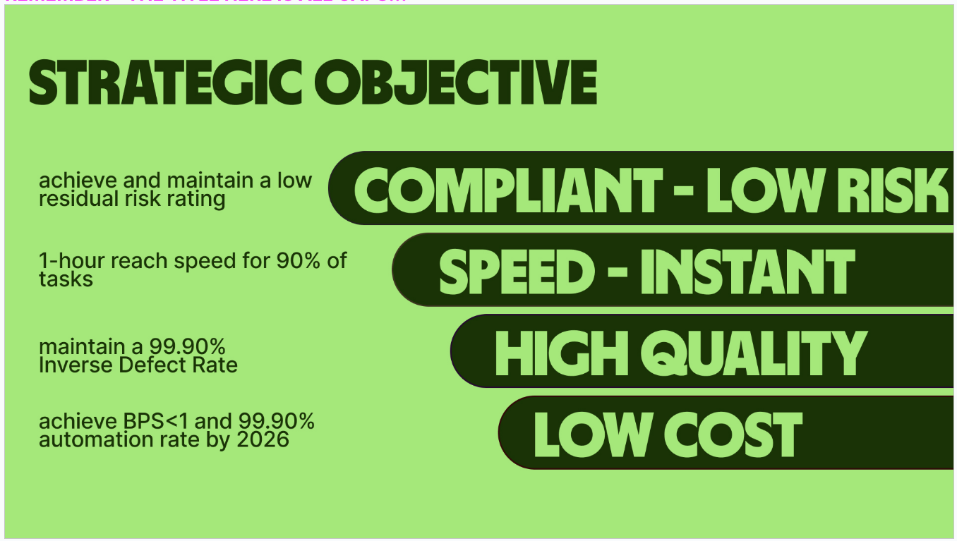
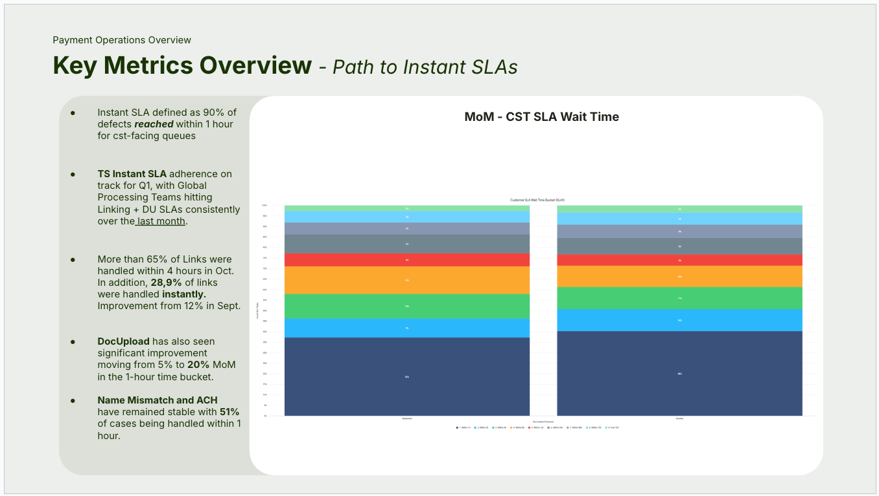
Data presentation: Clearly labeled charts, and tables to enhance stakeholders understanding
Visualization: Use visuals that highlight key trends, comparisons, with consistent styles and colors
Commentary and Storytelling: Clear explanations of patterns, trends and insights
Actionable Recommendations: If applicable, specific suggestions for improvement based on observed data trends.
Organized Reporting: Structure the MI pack with logical sections: overview, teams etc

You can find the quality standard set by the BI organization here.
You find our design tools available in this link

Sheet1
Row Labels | Global_DU_Escalation | Global_Link_Escalation | Global_DU_Escalation_Rate | Global_Link_Escalation_Rate | Row Labels | Global_DU_Escalation | Global_Link_Escalation |  |  |  | Row Labels | Global_DU_Escalation | Global_Link_Escalation | Global_DU_Escalation_Rate | Global_Link_Escalation_Rate
January | 4 | 2 | 0.4444 | 1 | January | 4 | 2 |  |  |  | Qtr 1 | 27 | 76 | 0.414075 | 0.553625
February | 0 | 0 | 0 | 0 | February | 0 | 0 |  |  |  | Qtr 2 | 731 | 6,595 | 0.11093333333 | 0.15206363636
March | 23 | 74 | 0.40396666667 | 0.40483333333 | March | 23 | 74 |  |  |  | Qtr 3 | 10,169 | 32,699 | 0.24034285714 | 0.16186428571
April | 1 | 18 | 0.016666666667 | 0.11795 | April | 1 | 18 |  |  |  | Qtr 4 | 4,104 | 10,198 | 0.29495 | 0.1781
May | 0 | 2,299 | 0 | 0.14853333333 | May | 0 | 2,299 |  |  |  | Grand Total | 15,031 | 49,568 | 0.24523214286 | 0.20805151515
June | 730 | 4,278 | 0.2052 | 0.188825 | June | 730 | 4,278
July | 1,785 | 9,318 | 0.20738 | 0.15256 | July | 1,785 | 9,318
August | 2,916 | 9,353 | 0.227525 | 0.1646 | August | 2,916 | 9,353
September | 5,468 | 14,028 | 0.28356 | 0.16898 | September | 5,468 | 14,028
October | 4,104 | 10,198 | 0.29495 | 0.1781 | October | 4,104 | 10,198
November | 0 | 0 | 0 | 0 | November | 0 | 0
December | 0 | 0 | 0 | 0 | December | 0 | 0
Grand Total | 15,031 | 49,568 | 0.24523214286 | 0.20805151515 | Grand Total | 15,031 | 49,568

Row Labels | Global_DU_Escalation_Rate | Global_Link_Escalation_Rate
January | 0.4444 | 1
February | 0 | 0
March | 0.40396666667 | 0.40483333333
April | 0.016666666667 | 0.11795
May | 0 | 0.14853333333
June | 0.2052 | 0.188825
July | 0.20738 | 0.15256
August | 0.227525 | 0.1646
September | 0.28356 | 0.16898
October | 0.29495 | 0.1781
November | 0 | 0
December | 0 | 0
Grand Total | 0.24523214286 | 0.20805151515

Month | Perc_DU_(Cases)_SLA | Perc_GlobalLink_(Tickets)_SLA | General_SLA |  |  |  | Month | Genera_SLA_Growth
January | 22% | 100% | 36% |  |  |  | January | 0%
February | 0% | 0% | 0% |  |  |  | February | -100%
March | 40% | 52% | 50% |  |  |  | March | 0%
April | 76% | 62% | 66% |  |  |  | April | -86%
May | 0% | 49% | 49% |  |  |  | May | 12184%
June | 32% | 23% | 24% |  |  |  | June | -28%
July | 24% | 20% | 21% |  |  |  | July | 141%
August | 10% | 15% | 14% |  |  |  | August | -33%
September | 7% | 13% | 12% |  |  |  | September | 28%
October | 32% | 39% | 38% |  |  |  | October | 109%
November | 0% | 0% | 0% |  |  |  | November | 0%
December | 0% | 0% | 0% |  |  |  | December | 0%

 |  |  |  |  |  |  |  |  |  |  |  | Year | Month | Regional_NM&ACH_Inputs | Regional_NM&ACH_Outputs | NM&ACH %Ach
 |  |  |  |  |  |  |  |  |  |  |  | 2023 | November | 945 | 934 | 99%
 |  |  |  |  |  |  |  |  |  |  |  | 2023 | December | 964 | 954 | 99%
 |  |  |  |  |  |  |  |  |  |  |  | 2024 | January | 1,099 | 1,053 | 96%
 |  |  |  |  |  |  |  |  |  |  |  | 2024 | February | 1,396 | 1,340 | 96%
 |  |  |  |  |  |  |  |  |  |  |  | 2024 | March | 2,399 | 2,065 | 86%
 |  |  |  |  |  |  |  |  |  |  |  | 2024 | April | 3,958 | 3,399 | 86%
 |  |  |  |  |  |  |  |  |  |  |  | 2024 | May | 3,900 | 2,471 | 63%
 |  |  |  |  |  |  |  |  |  |  |  | 2024 | June | 3,630 | 3,151 | 87%
 |  |  |  |  |  |  |  |  |  |  |  | 2024 | July | 4,230 | 3,592 | 85%
 |  |  |  |  |  |  |  |  |  |  |  | 2024 | August | 3,091 | 2,718 | 88%
 |  |  |  |  |  |  |  |  |  |  |  | 2024 | September | 4,726 | 4,245 | 90%
 |  |  |  |  |  |  |  |  |  |  |  | 2024 | October | 3,206 | 2,800 | 87%

Year | Month | Regional_NM&ACH_Outputs_Growth |  |  | Ops | Regional_NM&ACH_Inputs | Regional_NM&ACH_Outputs
2023 | November | 0% |  |  | Global Processing Singapore 2 | 0 | 360
2023 | December | 2% |  |  | Global Processing Tallinn 1 | 0 | 220
2024 | January | 10% |  |  | BRL ops | 0 | 415
2024 | February | 27% |  |  | Global Processing Tallinn 2 | 0 | 277
2024 | March | 54% |  |  | CEE ops | 0 | 228
2024 | April | 65% |  |  | Global Processing Tallinn 3 | 0 | 7 |  | Ops Division | Output
2024 | May | -27% |  |  | CNO ops | 0 | 520 |  | Ops without inputs | 8,855
2024 | June | 28% |  |  | Global Processing US 1 | 0 | 157 |  | Ops with inputs | 19,746
2024 | July | 14% |  |  | GC ops | 0 | 35
2024 | August | -24% |  |  | Global Processing US 2 | 0 | 411
2024 | September | 56% |  |  | Global Processing Budapest 2 | 0 | 81
2024 | October | -34% |  |  | LatAm MEA ops | 0 | 161
 |  |  |  |  | Training | 0 | 5
 |  |  |  |  | LatAm ops | 0 | 12
 |  |  |  |  | Central ops | 0 | 397
 |  |  |  |  | Ops APAC - Global Processing | 0 | 84
 |  |  |  |  | Global Processing Budapest 1 | 0 | 37
 |  |  |  |  | Pacific ops | 0 | 831
 |  |  |  |  | SWIFT ops | 0 | 6
 |  |  |  |  | ROSEA ops | 0 | 51
 |  |  |  |  | Global Processing Singapore 1 | 0 | 598
 |  |  |  |  | SGDMYR ops | 0 | 3,629
 |  |  |  |  | Europe & UK (Area) | 0 | 79
 |  |  |  |  | South Asia ops | 0 | 254
 |  |  |  |  | APAC Expansion ops | 366 | 121
 |  |  |  |  | EUR ops | 1,049 | 296
 |  |  |  |  | Emerging ops | 1,136 | 440
MoM Output Growth in Percentage
 |  |  |  |  | Europe ops | 1,824 | 805
 |  |  |  |  | GBP ops | 3,009 | 1,479
 |  |  |  |  | JPYKRW ops | 4,271 | 4,111
 |  |  |  |  | APAC Mature ops | 10,119 | 2,158
 |  |  |  |  | NorthAm ops | 11,770 | 10,457

 |  |  |  |  |  |  | 26,160 | 33,544
 |  |  |  |  |  |  |  | 0.77987121393

Year | Month | Regional_NM&ACH_Inputs | Regional_NM&ACH_Outputs | NM&ACH %Ach
2023 | November | 945 | 934 | 99%
2023 | December | 964 | 954 | 99%
2024 | January | 1,099 | 1,053 | 96%
2024 | February | 1,396 | 1,340 | 96%
2024 | March | 2,399 | 2,065 | 86%
2024 | April | 3,958 | 3,399 | 86%
2024 | May | 3,900 | 2,471 | 63%
2024 | June | 3,630 | 3,151 | 87%
2024 | July | 4,230 | 3,592 | 85%
2024 | August | 3,091 | 2,718 | 88%
2024 | September | 4,726 | 4,245 | 90%
2024 | October | 3,206 | 2,800 | 87%

Dashboard
Payments Processing Dashboard

Monthly Escalation
 | Global_DU_Escalation | Global_Link_Escalation | Global_DU_Escalation_Rate | Global_Link_Escalation_Rate
January | 4 | 2 | 0.4444 | 1
February | 0 | 0 | 0 | 0
March | 23 | 74 | 0.40396666667 | 0.40483333333
April | 1 | 18 | 0.016666666667 | 0.11795
May | 0 | 2,299 | 0 | 0.14853333333
June | 730 | 4,278 | 0.2052 | 0.188825
July | 1,785 | 9,318 | 0.20738 | 0.15256
August | 2,916 | 9,353 | 0.227525 | 0.1646
September | 5,468 | 14,028 | 0.28356 | 0.16898
October | 4,104 | 10,198 | 0.29495 | 0.1781
November | 0 | 0 | 0 | 0
December | 0 | 0 | 0 | 0
 | Regional_NM&ACH_Inputs | Regional_NM&ACH_Outputs | NM&ACH %Ach
November | 945 | 934 | 99%
December | 964 | 954 | 99%
January | 1,099 | 1,053 | 96%
February | 1,396 | 1,340 | 96%
March | 2,399 | 2,065 | 86%
April | 3,958 | 3,399 | 86%
May | 3,900 | 2,471 | 63%
June | 3,630 | 3,151 | 87%
July | 4,230 | 3,592 | 85%
August | 3,091 | 2,718 | 88%
September | 4,726 | 4,245 | 90%
October | 3,206 | 2,800 | 87%

SLA Compliance
 | Perc_DU_(Cases)_SLA | Perc_GlobalLink_(Tickets)_SLA | General_SLA
January | 22% | 100% | 36%
February | 0% | 0% | 0%
March | 40% | 52% | 50%
April | 76% | 62% | 66%
May | 0% | 49% | 49%
June | 32% | 23% | 24%
July | 24% | 20% | 21%
August | 10% | 15% | 14%
September | 7% | 13% | 12%
October | 32% | 39% | 38%
November | 0% | 0% | 0%
December | 0% | 0% | 0%
 | Regional_NM&ACH_Inputs | Regional_NM&ACH_Outputs | NM&ACH %Ach
November | 945 | 934 | 99%
December | 964 | 954 | 99%
January | 1,099 | 1,053 | 96%
February | 1,396 | 1,340 | 96%
March | 2,399 | 2,065 | 86%
April | 3,958 | 3,399 | 86%
May | 3,900 | 2,471 | 63%
June | 3,630 | 3,151 | 87%
July | 4,230 | 3,592 | 85%
August | 3,091 | 2,718 | 88%
September | 4,726 | 4,245 | 90%
October | 3,206 | 2,800 | 87%

